Inputs&Outputs
 |  |  |  |  |  |  |  |  | ver 1.9

 |  |  |  | Angelus Carbon Calculator - Cradle to Gate |  |  |  | 2025-06-09 15:55:14
 |  |  |  | Angelus Block Company Incorporated

 |  |  | Project Name: |  | Project 1 | Date: | 2025-01-30
 |  |  | Project Address: |  | Southern California
 |  |  | Wall Type and orientation: |  | Exterior Wall
 |  |  | Designer: |  | Architect or Engineer
 |  |  | Block Producer: |  | Angelus Block Co. Inc.
 | Reviewed by Athena Sustainable Materials Institute

 |  |  | Outputs
1 | Product Stage A1 - A3 (EN 15978:2011) |  |  |  | 204,036 | lb CO2 | 92,744 | kg CO2

2 | Product Stage A1 - A3 (EN 15978:2011) |  |  |  | 19.0 | lb CO2 per ft2 | 92.7 | kg CO2 per m2

 |  |  | Inputs

1 | Wall Area |  |  |  | 10,764 | ft2 | 1,000 | m2

2 | Plant and Block Type |  |  |  |  |  | 157 | kg CO2-eq. per m3

3 | Block Shape |  |  |  |  |  | Double Open End

4 | Block Size |  |  |  |  | depth | 190 mm | depth

5 | Grout Type |  |  |  |  |  | 100% Cement

9 | Cement Type for Grout |  |  |  |  |  | 919 | kg CO2-eq. per tonne

6 | Vertical Rebar |  |  |  |  |  | All

7 | Horizontal Rebar |  |  |  |  |  | 600 mm O.C.

8 | Mortar Type |  |  |  |  |  | Type S

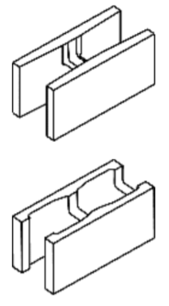

 |  | Double Open End |  |  | Single Open End

